BlackFriday
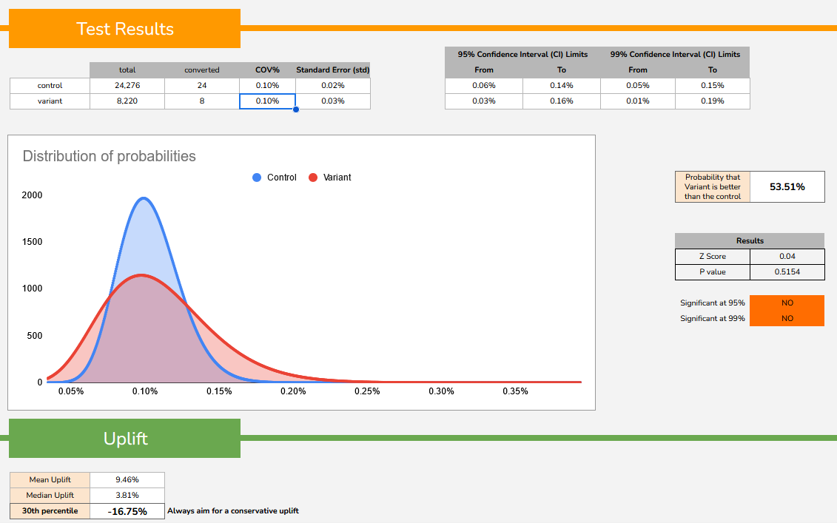

Based on the A/B testing results provided, here is an analysis of the data:
Total: The total number of participants or observations in the A/B test was 8,220 for the control group and 24,276 for the variant group.

Null hypothesis: changes had no impact on COV%
Alternative hypothesis: changes had significant impact on COV%

Converted numbers stand for unique users who at least one time performed the event 'page view'. The number of participants who converted or achieved the desired outcome in the test was 24 for the control group and 8 for the variant group.
COV% (Conversion Rate): The conversion rate or percentage of participants who converted is 0.10% for both the control and variant groups. This means that approximately 0.10% of participants in each group achieved the desired outcome.
Standard Error (std): The standard error is a measure of the uncertainty or variability in the estimated conversion rate. The standard error for the control group is 0.02%, indicating a lower degree of variability compared to the variant group, which has a standard error of 0.03%.
Overall, the A/B testing results show that the variant group did not outperform the control group in terms of the conversion rate. Both groups had the same conversion rate of 0.10%.

The provided confidence interval (CI) limits indicate the range within which the true conversion rate is estimated to lie with a certain level
of confidence.

These confidence interval limits provide a measure of the precision and reliability of the estimated conversion rates.
The narrower the confidence interval, the more precise the estimate. In this case, the confidence intervals are relatively narrow,
indicating a relatively precise estimation of the conversion rates for both the control and variant groups.
It's important to note that the confidence intervals overlap, suggesting that there is no significant
difference in the conversion rates between the control and variant groups.

The Z score is a measure of how many standard deviations an observed value deviates from the mean.
Z score of 0.04 indicates that the observed value is very close to the mean.
The P value is a statistical measure that indicates the probability of obtaining the observed result (or a more extreme result) if the null hypothesis is true.
Based on these results, it does not appear that there is a statistically significant difference between the control and variant groups.
P value is more than 0.5, so this suggests that null hypotesis should not be rejected.

NewYear
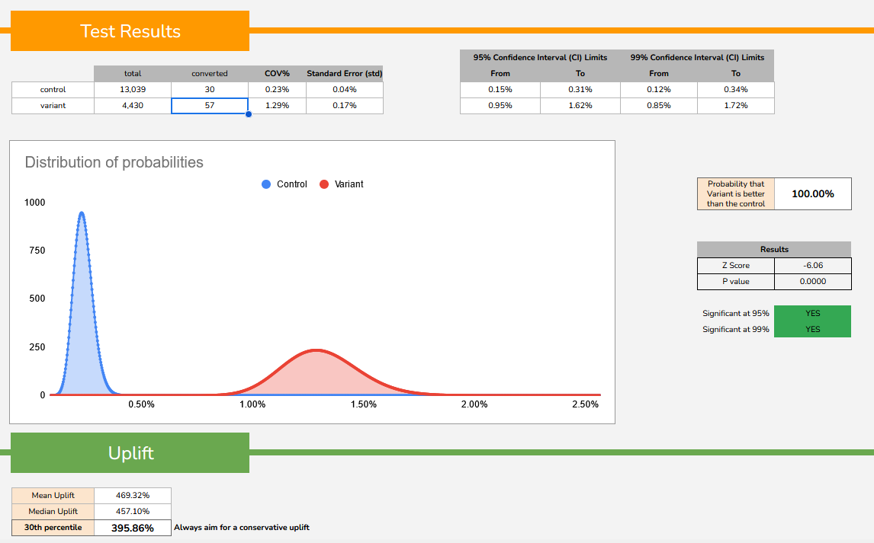

Null hypothesis: changes had no impact on COV%
Alternative hypothesis: changes had significant impact on COV%

Converted numbers stand for unique users who at least one time performed the event 'page view'. The number of participants who converted or achieved the desired outcome in the test was 30 for the control group and 57 for the variant group.
The conversion rate or percentage of participants who converted is 0.23% for the control group and 1.29% for the variant group.
This means that approximately 1.29% of participants in the variant group and 0.23% of participants in the control group achieved the desired outcome.
The standard error is a measure of the uncertainty or variability in the estimated conversion rate.
The standard error for the variant group is 0.17%, indicating a higher degree of variability compared to the control group, which has a standard error of 0.04%.
Based on these results, there appears to be a notable difference between the conversion rates of the control and variant groups.
The standard error for the variant group is higher, suggesting greater variability in the estimates for the variant group's conversion rate.

It's important to note that the confidence intervals do not overlap,
suggesting that there is a significant difference in the conversion rates between the control and variant groups.

The Z score is a measure of how many standard deviations an observed value deviates from the mean.
In this case, a Z score of -6.06 indicates that the observed value is significantly deviates from the mean.

The P value is a statistical measure that indicates the probability of obtaining the observed result (or a more extreme result)
if the null hypothesis is true. In this case, a P value of 0 suggests that alternative hypotesis needs to be accepted.

